Sources leads
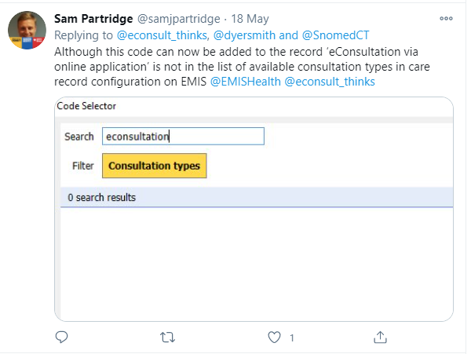
Source: | https://twitter.com/econsult_thinks/status/1262284324038152193

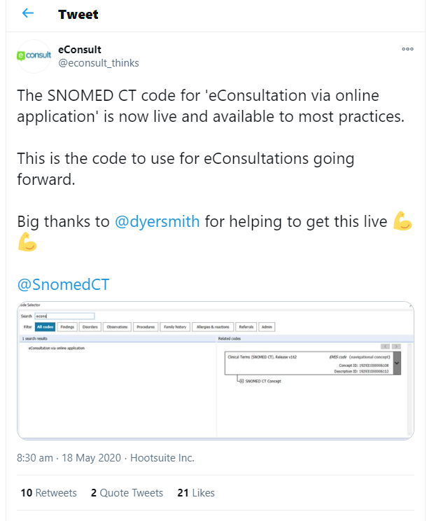
 |  | https://www.sehd.scot.nhs.uk/pca/PCA2020(M)03.pdf
 |  | Decide on the appointment code to identify video consultations:
 |  | • EMIS. Create a code in location manager called “Near Me video consultation”.
 |  | • Vision. Agree consultation type code to use (eg, 8AB Telehealth monitoring or 9N3 Indirect encounter) and create a “Near Me” appointment type.

 |  | SYSTmone (eConsult)
 |  | https://learning.necsu.nhs.uk/docs/systmone/receiving_and_processing_econsult_guide.pdf
 |  | ".Click to add a Read Code, search and select eConsultation via online application, continue this process to add additional information"

 |  | https://gps.islingtonccg.nhs.uk/econsult/econsult-emis-integration-update
 |  | "When filing the eConsult into patient records, we recommend labelling them all with the same SNOMED code (for future search and monitoring purposes), then detailing the document title and the source."

 |  | https://www.england.nhs.uk/coronavirus/wp-content/uploads/sites/52/2020/03/C0098-total-triage-blueprint-september-2020-v3.pdf
 |  | "Use a template8 or quick codes to code OC requests [9] consistently."
 |  | VC: SNOMED CT ID = 325921000000107 (consultation via video conference)
 |  | OC: SNOMED CT ID = 32591100000010 (consultation via multimedia encounter type)

 |  | https://www.isfteh.org/files/media/eHealth_Global_2011.pdf
 |  | Pre coordinated clinical terms already exist in SCT concepts to represent telehealth encounters. These are defined by standard ‘lead’ expressions such as ‘surveillance: remote electronic,’ ‘remote verbal consultation,’ and 273 ‘remote verbal assessment.’ These expressions would provide a basis for a SCT post coordinated expression in which any telehealth assessments could be embedded including the telepsychiatric conference as equivalent to the classic psychiatric interview, POC, and vital sign device surveillance assessments.

 | eConsult is the most widely used digital triage tool in NHS primary care, built by NHS GPs for NHS patients, designed to enhance patient access, improve practice efficiencies and signpost patients to the right place at the right time for their care. Live in 3247 NHS practices, eConsult gives millions of patients access to their own GP online.

 | NHSE Reference Lit
Total triage | https://www.england.nhs.uk/coronavirus/wp-content/uploads/sites/52/2020/03/C0098-total-triage-blueprint-september-2020-v3.pdf
OC | https://www.england.nhs.uk/wp-content/uploads/2020/01/online-consultations-implementation-toolkit-v1.1-updated.pdf
thoughts on national standards for virtual consultations | https://www.healthcareconferencesuk.co.uk/assets/presentations-post-conference/september-2019/setting-up-virtual-clinics-/tim-yates.pdf

